Ticket Requirements
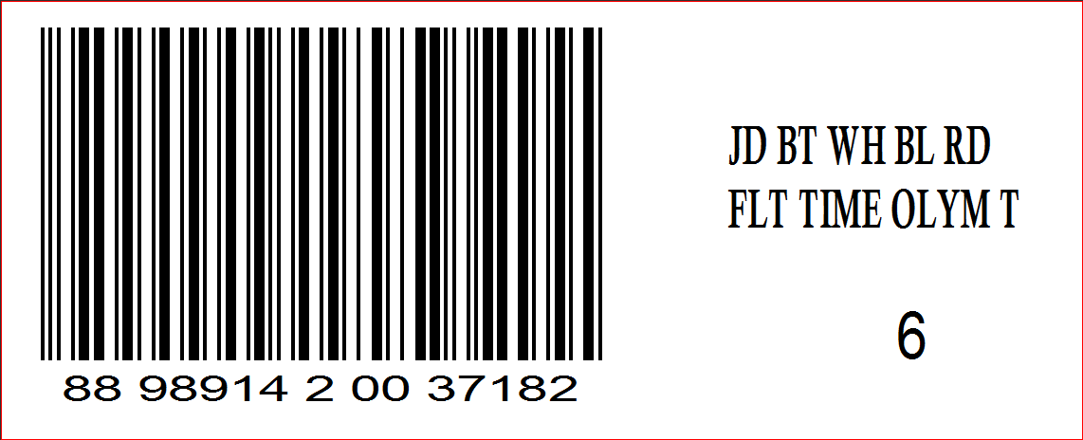
Haddad Ticket Required (Yes/No) | Yes
Customer Ticket (Yes/No) | Yes - Bin Label or Case Lot

RFID FIELDS
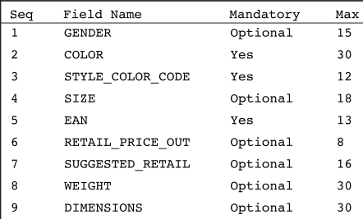

RFID TICKETS (HAD-RFID-12)
Newborn product will need dimensions on RFID sticker / Levis JokerTag/Matchbook) No Height / Weight
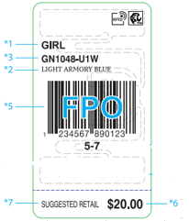

Hosiery Tickets (HAD-RFID-13)
Fabric content and Country of Origin must be on all hosiery /boxed sets/socks and underwear (any product that you cannot see the care label) No Gender
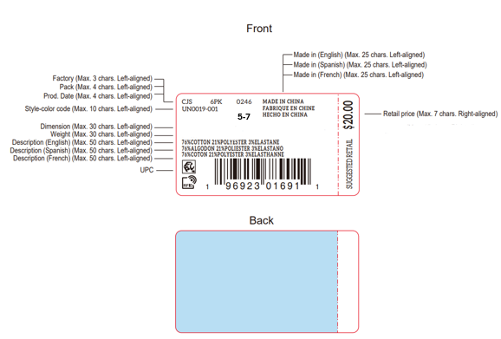

Newborn / Infant Tickets (HAD-RFID-12)
Weight and Inches are required.
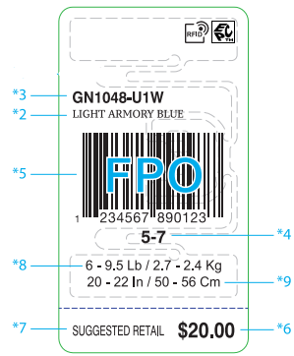

Accessories (No Gender)
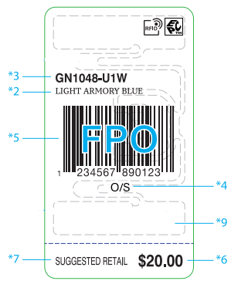

HAD-RFID-14 ALL Levi's Hangtags/ Joker Tags/ Matchbooks. |  | Length and Waist measurements are required on the matchbooks for Boys
Weight and height required for newborn/infant sizes
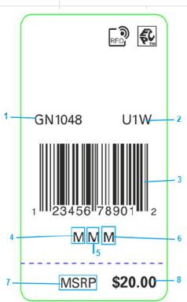 |  | 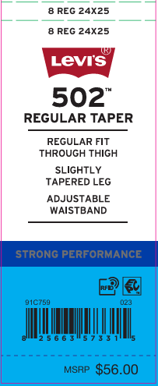

Bin Label for Individually Polybagged goods
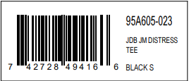

Case Lot - used when there is more than 1 inner inside of the carton

TOPS
Categories | Tops - Short Sleeve Tops, Long Sleeve Tops, Rompers, 1pc Bodysuit

Hangtag Placement | At left bottom sleeve in hangtag loop

Pre-Pack Packing
Hanger Required | Yes
Lacoste | Size Range | Newborn | Infant | Toddler | 4-6x and 4/7 | 7-16 and 8-20
 | Hanger Type | 497B | 498B | 498B | 485B | 485B
 | Hoodies/Fleece | 498B | 498B | 498B | 485B | 485B
 | Sizers | Black Crown Sizer/White Lettering
 | Size Range (Bodysuit/Romper) | 0-3 | 6-9 | 12-24 | 2T-4T | 4-6x-4/7
 | Hanger Type | 497B | 498B | 498B | 498B | 485B
 | Sizers | Black Crown Sizer / White Lettering
Abercrombie & Fitch | Hanger Required | Yes
 | Size Range | Newborn | Infant | Toddler - 5T | Merge Pack sizes 5-18
 | Hanger Type | 495 | 496 | 496 (5T) 472 | 485B / 484B
 | Sizers | White size clip/black lettering |  |  | Black Crown Sizer / White Lettering
1PC Bodysuit / Romper | Hanger | 0-3m | 6-9m | 12-24m | 4-6x and 4/7
 |  | 495 | 496 | 496 | 472
All other brands | Hanger Required | Yes
 | Size Range | Newborn | Infant | Toddler | 4-6x and 4/7 | 7-16 and 8-20
 | Hanger Type | 495 | 496 | 496 | 472 | 485B
 | Sizers | White size clip/black lettering |  |  |  | Black Crown Sizer / White Lettering
Brand Stickers | Nike Inc. (Nike/Jordan/Converse/3 Brand): sticker on sets ONLY - place on Top front side of the hanger Huggies and Polo: sticker front side of the hanger, on both sets and tops Levi’s and Hurley: sticker both sides of the hanger, on both sets and tops Lacoste: sticker on front side of the hanger for both Tops and sets. Abercrombie and Fitch: sticker on front side of hanger for Tops. Stickers should not be used on the hanger if there is already a rider card on the hanger. Use all white plastic hangers on merged size packs For example: if you have sizes 2T-7; you will use hangers 496/472 with white size clips and black lettering
Polybag | Hangtag must be hidden, polybag sticker must be on the same side as seal and warning. All prepack order must ship with a caselot sticker and in inners (not a garement bag) of 6. Example: 1-2-2-1
Misc Instructions
Photo Examples | 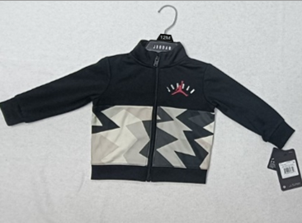

By Size Packing
Hanger Required | No
Polybag | Individual Polybag w/ Bin Label
Misc Instructions | Hangtag must be hidden, polybag sticker must be on the same side as seal and warning.
Photo Examples | 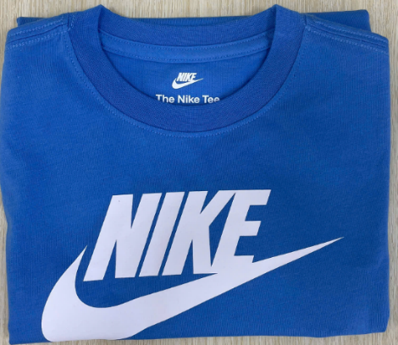 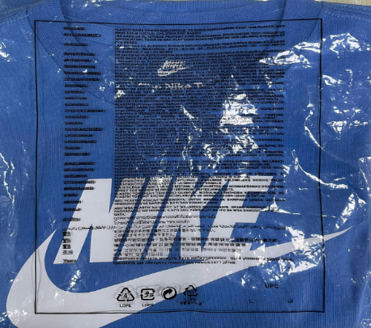

BOTTOMS
Categories | Bottoms - Pants, Shorts, Skirts, Boys Swimsuits/Boardshorts

Hangtag Placement | At left waistband side seam
Alternate Placement | If no waistband side seam, attach ticket to inside leg or waistband seam.
Misc Notes | OK to use longer a swift tag if necessary.

Pre-Pack Packing
Hanger Required | Yes
Lacoste | Size Range | Newborn | Infant | Toddler | 4-6x and 4/7 | 7-16 and 8-20
 | Hanger Type | 6008B | 6008B | 6008B | 6010B | 6010B
 | Sizers | Black Crown Sizer / White Lettering
Abercrombie & Fitch | Size Range | Newborn | Infant | Toddler | 4-6x and 4/7 | 7-16 and 8-20
 | Hanger Required | Yes
 | Size Range | Newborn | Infant | Toddler - 5T | Merge Pack sizes 5-18
 | Hanger Type | 6108 | 6108 | 6108 (5T) 6110 | (6010B)
 | Sizers | White size clip with black lettering |  |  | Black Crown Sizer / White Lettering
All other brands | Hanger Required | Yes
 | Size Range | Newborn | Infant | Toddler | 4-6x and 4/7 | 7-16 and 8-20
 | Hanger Type | 6108 | 6108 | 6108 | 6110 | 6010B
 | Sizers | White size clip with black lettering |  |  |  | Black Crown Sizer / White Lettering
Polybag | Hangtag must be hidden, polybag sticker must be on the same side as seal and warning. All prepack order must ship with a caselot sticker and in inners (not a garement bag) of 6. Example: 1-2-2-1
Misc. Instructions
Photo Examples | 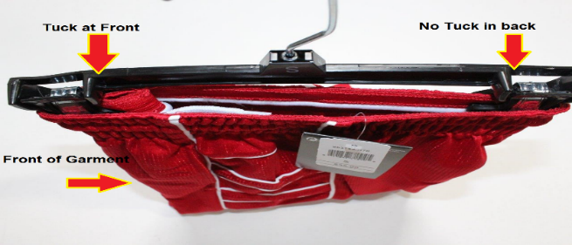 |  |  |  | 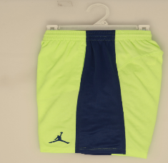

By Size Packing
Hanger Required | No
Polybag | Individual Polybag w/Bin Label
Misc Instructions | Hangtag must be hidden, polybag sticker must be on the same side as seal and warning.
Photo Examples | 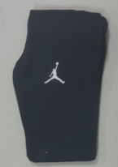 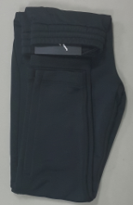 |  |  |  | 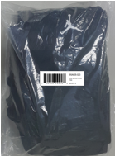

COVERALLS
Categories | Multi-pack Bodysuits (Coveralls)

Hangtag Placement | At left bottom sleeve in hang tag loop

Pre-Pack Packing
Hanger Required | Yes
Size Range | Newborn |  | Infant | Toddler | 4-6x and 4/7 | 7-16 and 8-20
Sizes | 0-3 | 6-9 | 12-24 | 2T-4T | 4-6x and 4/7 | 7-16 and 8-20
Hanger Type for 2pc Creepers | 4652 | 1572 | 2262
Hanger Type for 3pc Creepers | 4853 | 4953 | 4963
Hanger Type for 4pc Creepers | 4854 | 4954
Hanger Type for 5pc Creepers | 4855 | 4955 | 4965
Sizers | white clip/black lettering
Polybag | Hangtag must be hidden, polybag sticker must be on the same side as seal and warning. All prepack order must ship with a caselot sticker and in inners (not a garement bag) of 6. Example: 1-2-2-1
Misc Instructions
Photo Examples | Bodysuit Set - Front View |  |  | Bodysuit Set - Rear View
 | 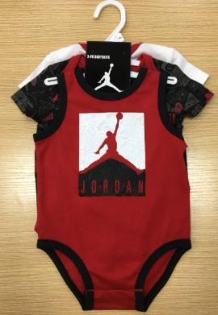 |  |  | 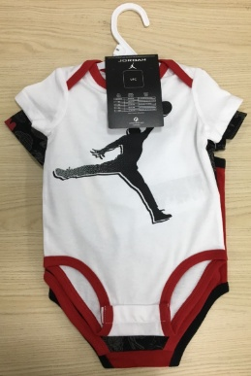

By Size Packing
Hanger Required | Yes Bodysuits such as 3pc creepers should include a hanger.
Size Range | Newborn |  | Infant | Toddler | 4-6x and 4/7 | 7-16 and 8-20
Sizes | 0-3 | 6-9 | 12-24 | 2T-4T | 4-6x and 4/7 | 7-16 and 8-20
Hanger Type for 2pc Creepers | 4652 | 1572 | 2262
Hanger Type for 3pc Creepers | 4853 | 4953 | 4963
Hanger Type for 4pc Creepers | 4854 | 4954
Hanger Type for 5pc Creepers | 4855 | 4955 | 4965
Sizers | white clip/black lettering
Polybag | Individualy Polybag w/ Bin Label
Misc Instructions | Hangtag must be hidden, polybag sticker must be on the same side as seal and warning.
Photo Examples | Bodysuit Set - Front View |  |  | Bodysuit Set - Rear View
 |   |  |  | 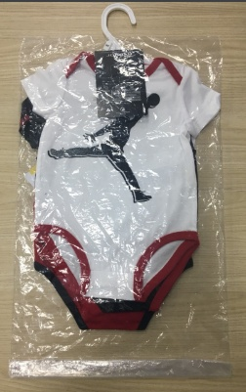 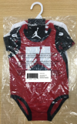

SETS
Categories | Sets - 2pc sets, 3pc sets, Swim Sets
Misc Note | For multi-pack bodysuits, see BODYSUITS section

Hangtag Placement | At left bottom sleeve in hang tag loop

Pre-Pack Packing
Hanger | Yes
Lacoste | Polybag | Yes
 | Size Range | Newborn | Infant | Toddler | 4-6x and 4/7 | 7-16 and 8-20
 | Hanger for 2 pc short sets with top/bottom | 497B/6008B | 498B/6008B | 498B/6008B/9508B | 485B/6010B/9510B | 485B/6012B/9512B
 | Hanger Type for 2 pc pant sets with top/bottom | 497B/6008B | 498B/6008B | 498B/6008B | 485B/6010B | 485B/6010B
Abercrombie & Fitch | Hanger Required | Yes
 | Size Range | Newborn | Infant | Toddler - 5T | Merge pack sizes 5-18
 | Hanger Type | 495/9508 | 496/9508 | 496/9508 (5T) 472/9510 | 485B/6010B/6012B - use 9512B when short bottom is not visible behind the top it is okay to use both hangers 6010B/6012B inside of the same carton if needed.
 | Sizers | White size clip / black lettering |  |  | Black Crown Sizer / White Lettering
All other brands | Hanger Required | Yes
 | Misc Instruction on Hanger | For sizes 8-20 the drop will depend on whether the short will be visible.
 | Size Range | Newborn | Infant | Toddler | 4-6x and 4/7 | 7-16 and 8-20
 | Overall, Shortalls, Skirtalls Sets | 495 | 496 | 496 | 472 | 485B Black Crown Sizer w/ White Lettering
 | Hanger Type for 2 pc short sets with top/bottom | 495/9508 | 496/9508 | 496/9508 | 472/9510 | 485B/6010B/9510B Black Crown Sizer w/ White Lettering
 | Hanger Type for 2 pc pant sets with top/bottom | 495/9508 | 496/9508 | 496/9508 | 472/9510 | 485B/6010B Black Crown Sizer w/ White Lettering
 | Hanger Type for 2 Tops & Bottom PC Set | 1010/9508 | 1010/9508 | 1212/9508 | 1414/9510 | 1616B/9510B
 | Hanger Type for 3pc SET - 2 Tops & 1 short/pants with or w/o Rider Card | 1010/9508 | 1212/9508 | 1212/9508 | 1414/9510 | 1616B/9510B
 | 1 TOP & 2 BOTTOM PC SET | 495/9508 | 496/9508 | 472/9510 | 472/9510 | N/A
 | 2 TOPS & 2 BOTTOM PC SET | 1010/9508 | 1010/9508 | 1212/9510 | 1414/9510 | N/A
 | Sizers | White size clip / black lettering |  |  |  | Black size clip w/ white lettering
Brand Stickers | Nike Inc. (Nike/Jordan/Converse/3 Brand): sticker on sets ONLY - place on Top front side of the hanger Huggies and Polo: sticker front side of the hanger, on both sets and tops Levi’s and Hurley – sticker both sides of the hanger, on both sets and tops Lacoste: sticker on front side of the hanger for both Tops and sets. Abercrombie and Fitch: sticker on front side of hanger for Tops. The stickers should be centered on the hanger and the correct size sticker should be used to fit the hanger. Stickers should not be used on the hanger if there is already a rider card on the hanger.
Polybag | Hangtag must be hidden, polybag sticker must be on the same side as seal and warning. All prepack order must ship with a caselot sticker and in inners (not a garement bag) of 6. Example: 1-2-2-1
Photo Examples | 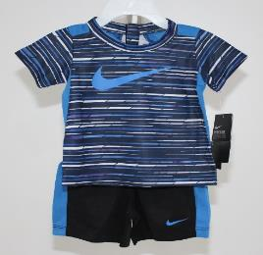 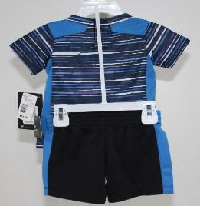 |  |  |  | 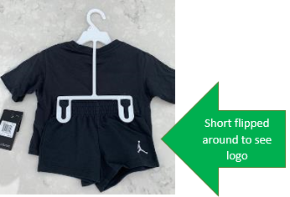

By Size Packing
Hanger Required | No
Polybag | Individual Polybag w/ Bin Label
Misc Instructions | Hangtag must be hidden, polybag sticker must be on the same side as seal and warning.
Photo Examples | 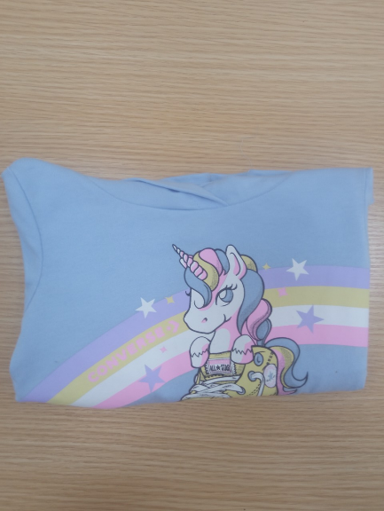

ACCESSORIES
Categories | Accessories

Hangtag Placement | Should be applied with a loop swift tag through the top handle

Back Packs
Hanger Required | No
Polybag | Yes
Misc Instructions | Backpacks require individual polybags w/ Bin Labels. Polybag sticker must be on the same side of the seal and warning labels.
Photo Examples | 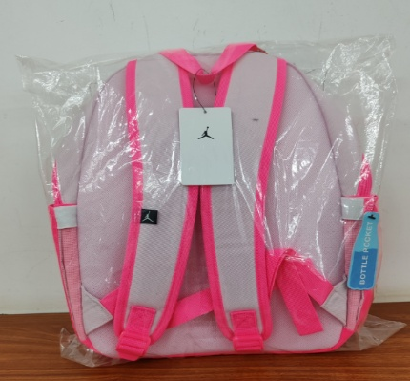 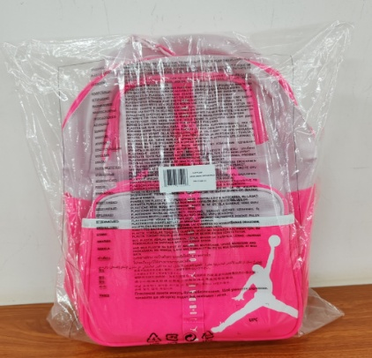

Lunch Totes / Slings / Crossbody/Duffles
Hanger Required | No
Polybag | Yes-Master Polybag w/ Case lot
Misc. Instructions | 6 pc inners If more than 6pcs, we will need to pack 2 inners of 6pcs w/ caselot
Photo Examples | 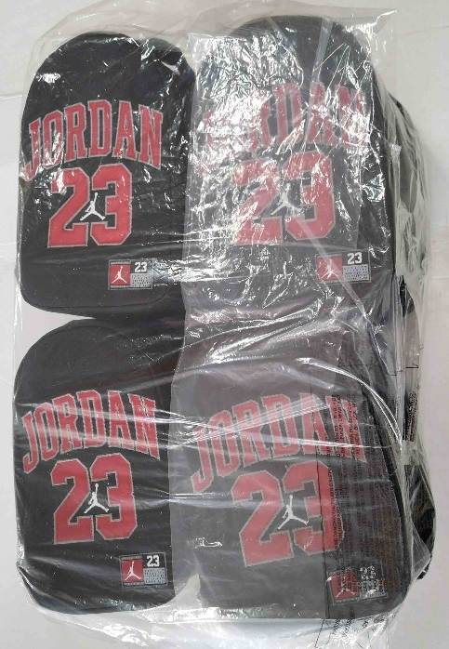 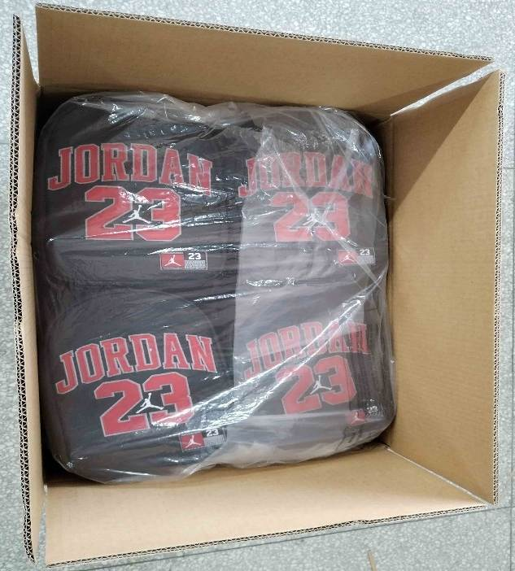

Monogram and Collectors Bags
Hanger Required | No
Polybag | Yes - Individually Polybagged w/ Bin Label
Photo Examples | 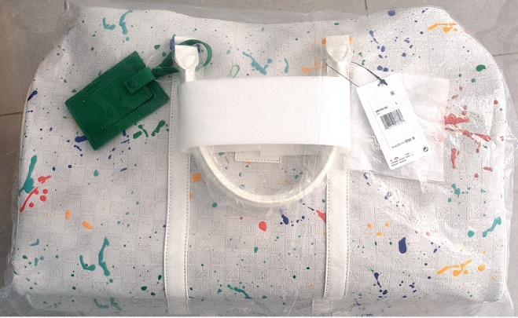 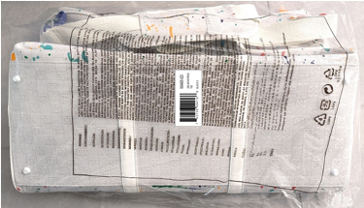

BOX SETS
Categories | Box Sets

Boxed Sets, Bootie Sets
Hanger Required | No
Polybag | No
Misc. | No Bin Label / Case lot
Photo Examples | 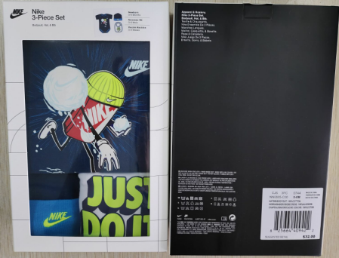

HOSIERY
Categories | Hosiery

Pre-Pack Socks
Hanger Required | No
Polybag | Yes

Misc Instructions | 6 pc inners If more than 6pcs, we will need to pack 2 inners of 6pcs w/ caselot
Photo Examples | 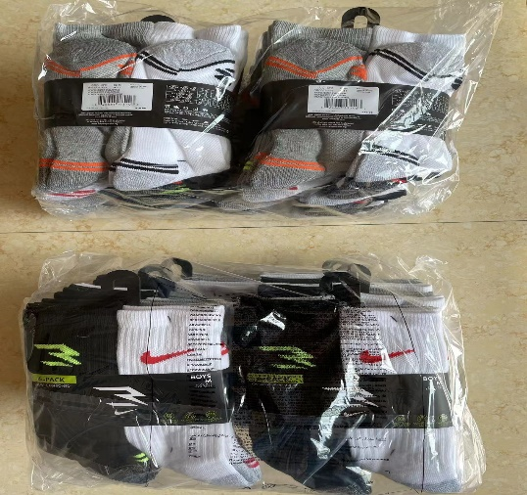

Underwear- All Brands
Hanger Required | No
Polybag | Yes

RFID | Yes
Misc. | Pre-Packs of 8pc inners. Must be on a hanger and individually polybagged. Hanger must be inside of the polybag and cannot be exposed.
Photo Example | 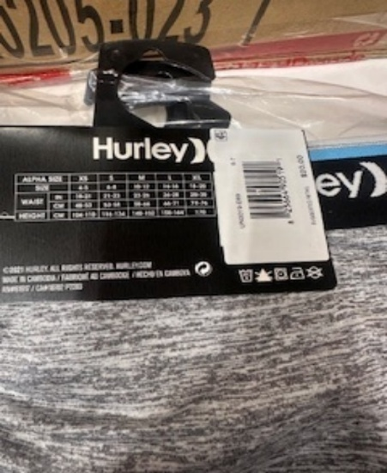

By Size Packing
Hanger Required | No
Polybag | Individual Polybag with Bin Label
Misc Instructions | Must pack with upc on opposite side of the polybag warning
Photo Examples | 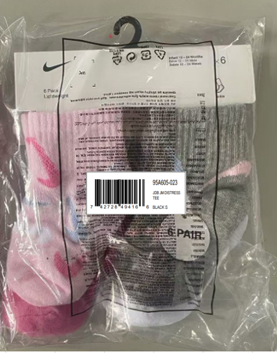

HOSIERY-POLYBAGS NEEDED AS BELOW BREAKDOWN.
Bibs: 6 pcs/poly, 12 pcs/master carton
SOCKS: 6pcs/polybag * 2 polybags = 12 pcs/carton
BOOTIE SETS: 6 PC/polybag/Carton

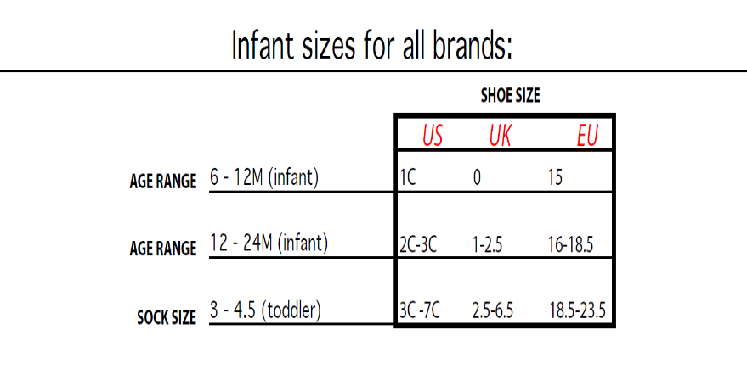
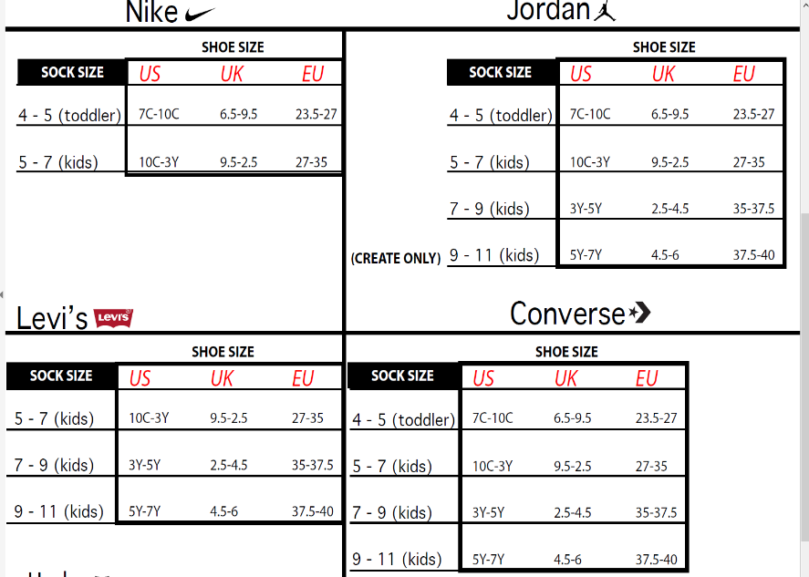
FOLLOW SAME PACKING AS NH LABEL:
UNDERWEAR PACKING: S-M-L-XL: 1-3-3-1.
No individual polybags.
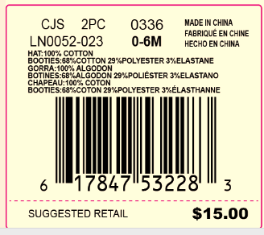
Sticker sample for Hosiery.

COLD WEATHER
Categories | Hats

Beanie, Glove & Beanie, Mittens, Caps, Scarves
Hanger Required | No
Hangtag Placement | Place through "J" Hook
Polybag | Yes
Misc Instructions | 6pcs to a master polybag. If 12 pcs then pack 2 packs of 6pcs with a caselot
Photo Examples | 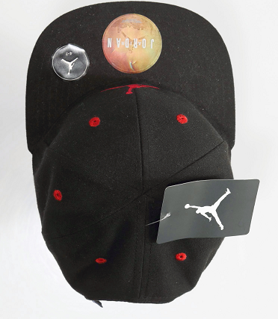 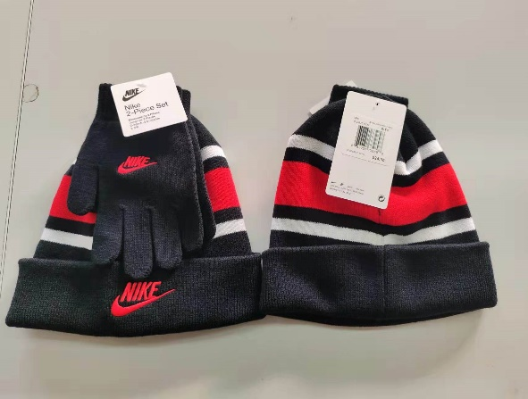

OUTERWEAR
Categories | Outerwear

Hangtag Placement | At left bottom sleeve in hang tag loop

Pre-Pack Packing
Hanger | Yes
Lacoste | Size Range | Newborn | Infant | Toddler | 4-6x and 4/7 | 7-16 and 8-20
 | JACKETS /OUTERWEAR | 3315B | 3315B | 3315B | 3315B | 3328B
 | Sizers | Black Crown Sizer / White Lettering
Abercrombie & Fitch | Hanger Required | Yes
 | Size Range | Newborn | Infant | Toddler -5T | Merge pack sizes 5-18
 | Hanger Type | 495 | 496 | 496 (5T) 472 | 484B-485B
 | Sizers | White size clip w/black lettering |  |  | Black Crown Sizers w/ White Lettering
All other brands | Hanger Required | Yes
 | Size Range | Newborn | Infant | Toddler | 4-6x and 4/7 | 7-16 and 8-20
 | JACKETS | 495 | 496 | 496 | 472 | 485B
 | SWEATER/OUTERWEAR | 496/217 | 496/210 | 496/210 | 210/472 | 3329B
Sizer |  | White size clip w/black lettering |  |  |  | Black Crown Sizer / White Lettering
Brand Stickers | Nike Inc. (Nike/Jordan/Converse/3 Brand): sticker on sets ONLY - place on Top front side of the hanger Huggies and Polo: sticker front side of the hanger, on both sets and tops Levi’s and Hurley – sticker both sides of the hanger, on both sets and tops Lacoste: sticker on front side of the hanger Abercrombie & Fitch: sticker on front side of hanger The stickers should be centered on the hanger and the correct size sticker should be used to fit the hanger. Stickers should not be used on the hanger if there is already a rider card on the hanger.
Polybag | Hangtag must be hidden, polybag sticker must be on the same side as seal and warning. All prepack order must ship with a caselot sticker and in inners (not a garement bag) of 6. Example: 1-2-2-1

Misc Instructions | For smaller sizes that become bulky, okay to fold sleeves diagonal and lay flat in carton.
Photo Examples | 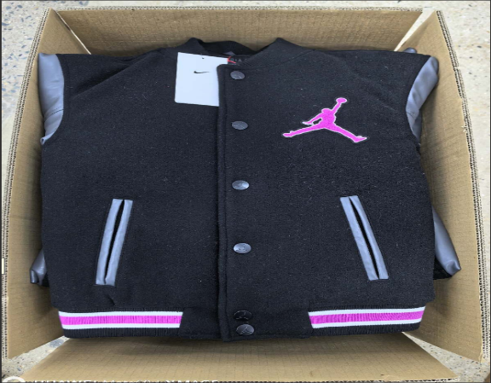

By Size Packing
Hanger Required | No
Polybag | Master polybag required for white and cream-colored product Master Polybag may also be used for mold prevention when needed, along with desiccant

Photo Examples | 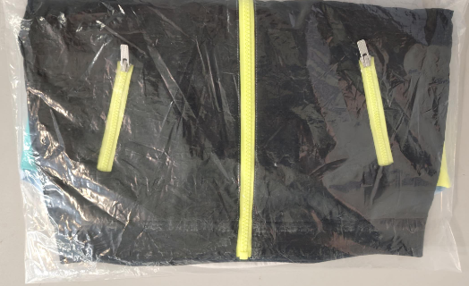 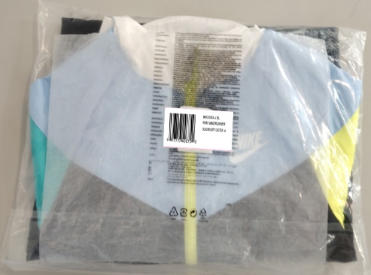

PACKING
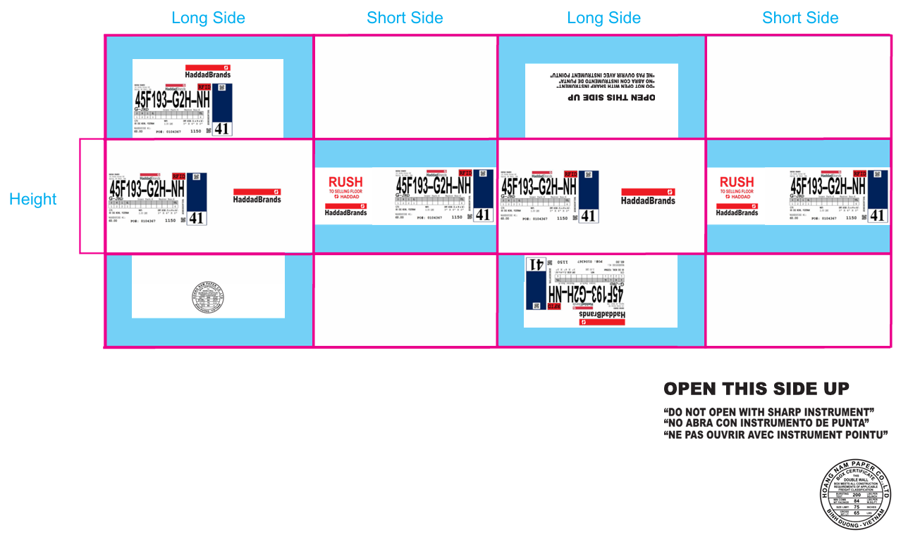
Carton Requirements
Min Measurements: L6 X W6 X H3"
Max Measurements: L30 X W23 X H18"
Min Weight: 2 LBS
Max Weight: 45 LBS

Starting with Fall 26" any caselot orders must ship with inners of 6 pcs.

POLY BAG WARNING: Child safety warning must be printed on all poly bags. MUST HAVE INFO IN 35 LANGUAGES

**follow the packaging manual for more details regarding carton quality standards, markings, and labelling requirements.**

